19_Figures
Figure No. | Description | Chart
Figure 1 | Figure 1: Class Distributions Across 4 Benchmark Datasets | 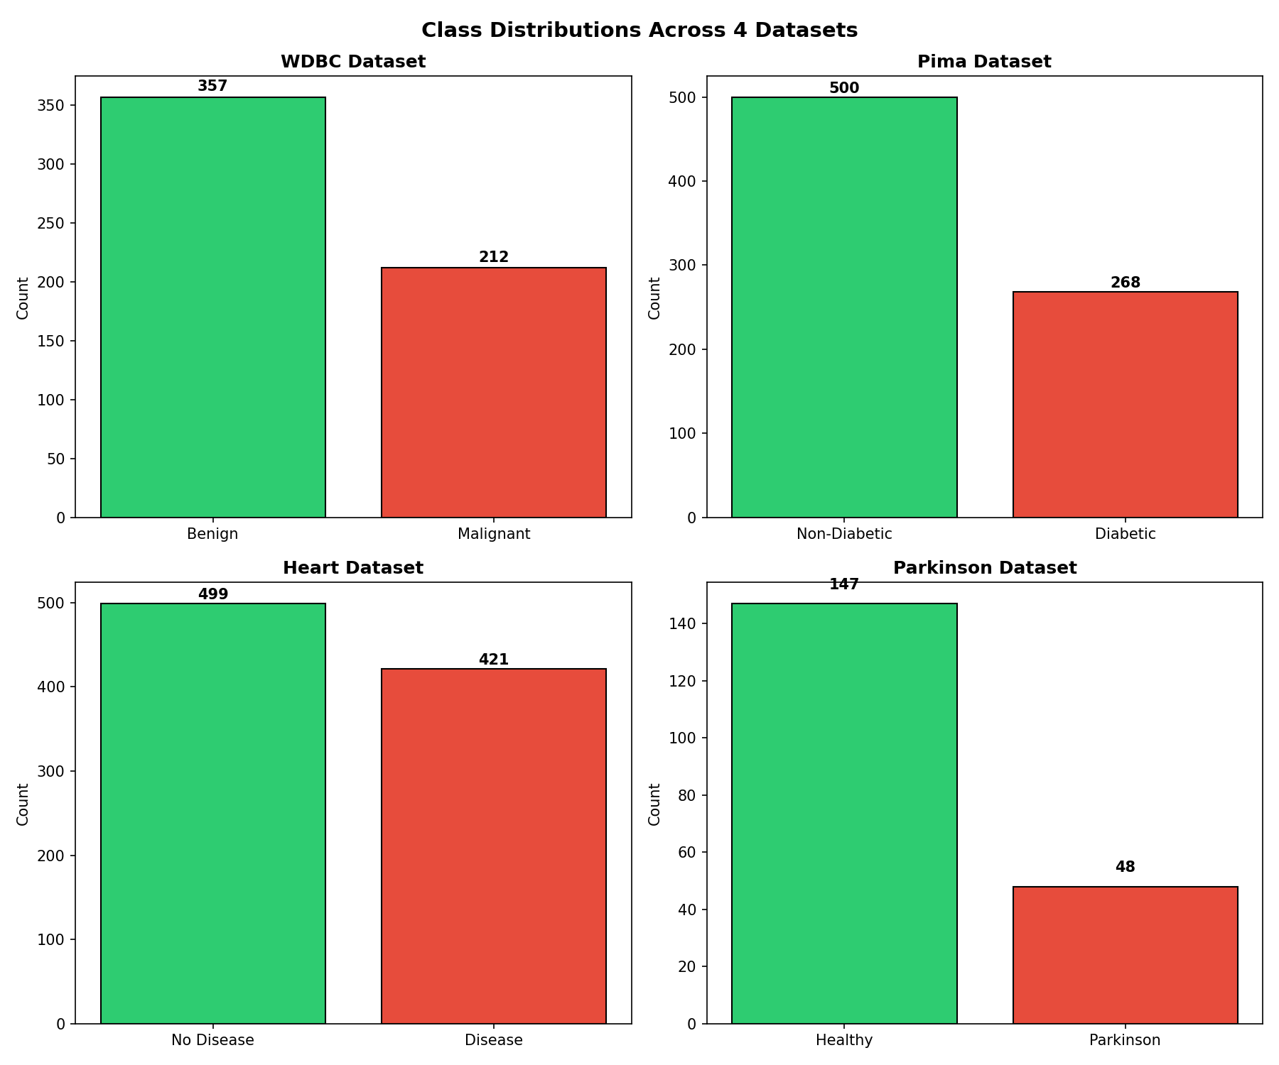
Figure 2 | Figure 2: Md-Variance Feature Weights w_j Across 4 Datasets | 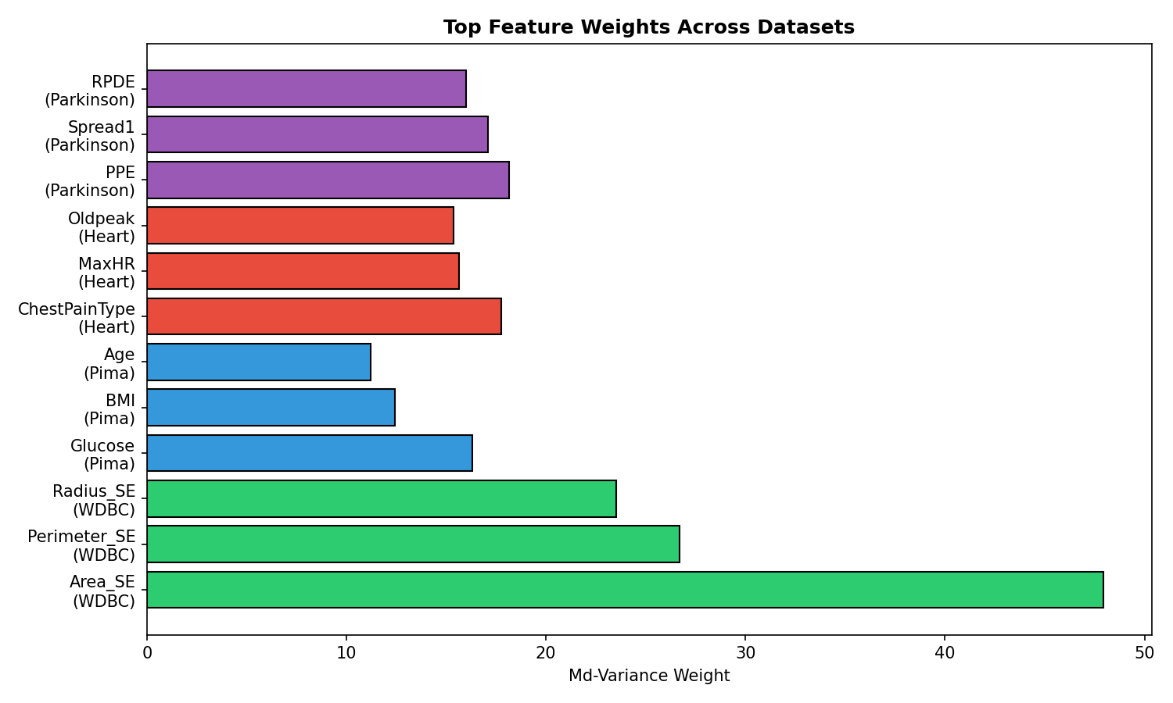
Figure 3 | Figure 3: Induced Neutrosophic Topology in (T, I) Space | 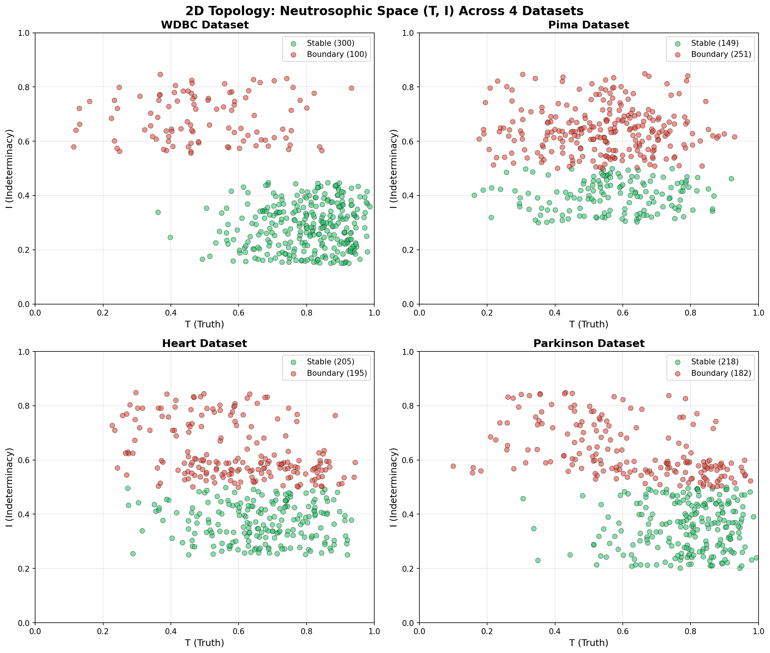
Figure 4 | Figure 4: 3D Neutrosophic Representations in (T, I, F) Space | 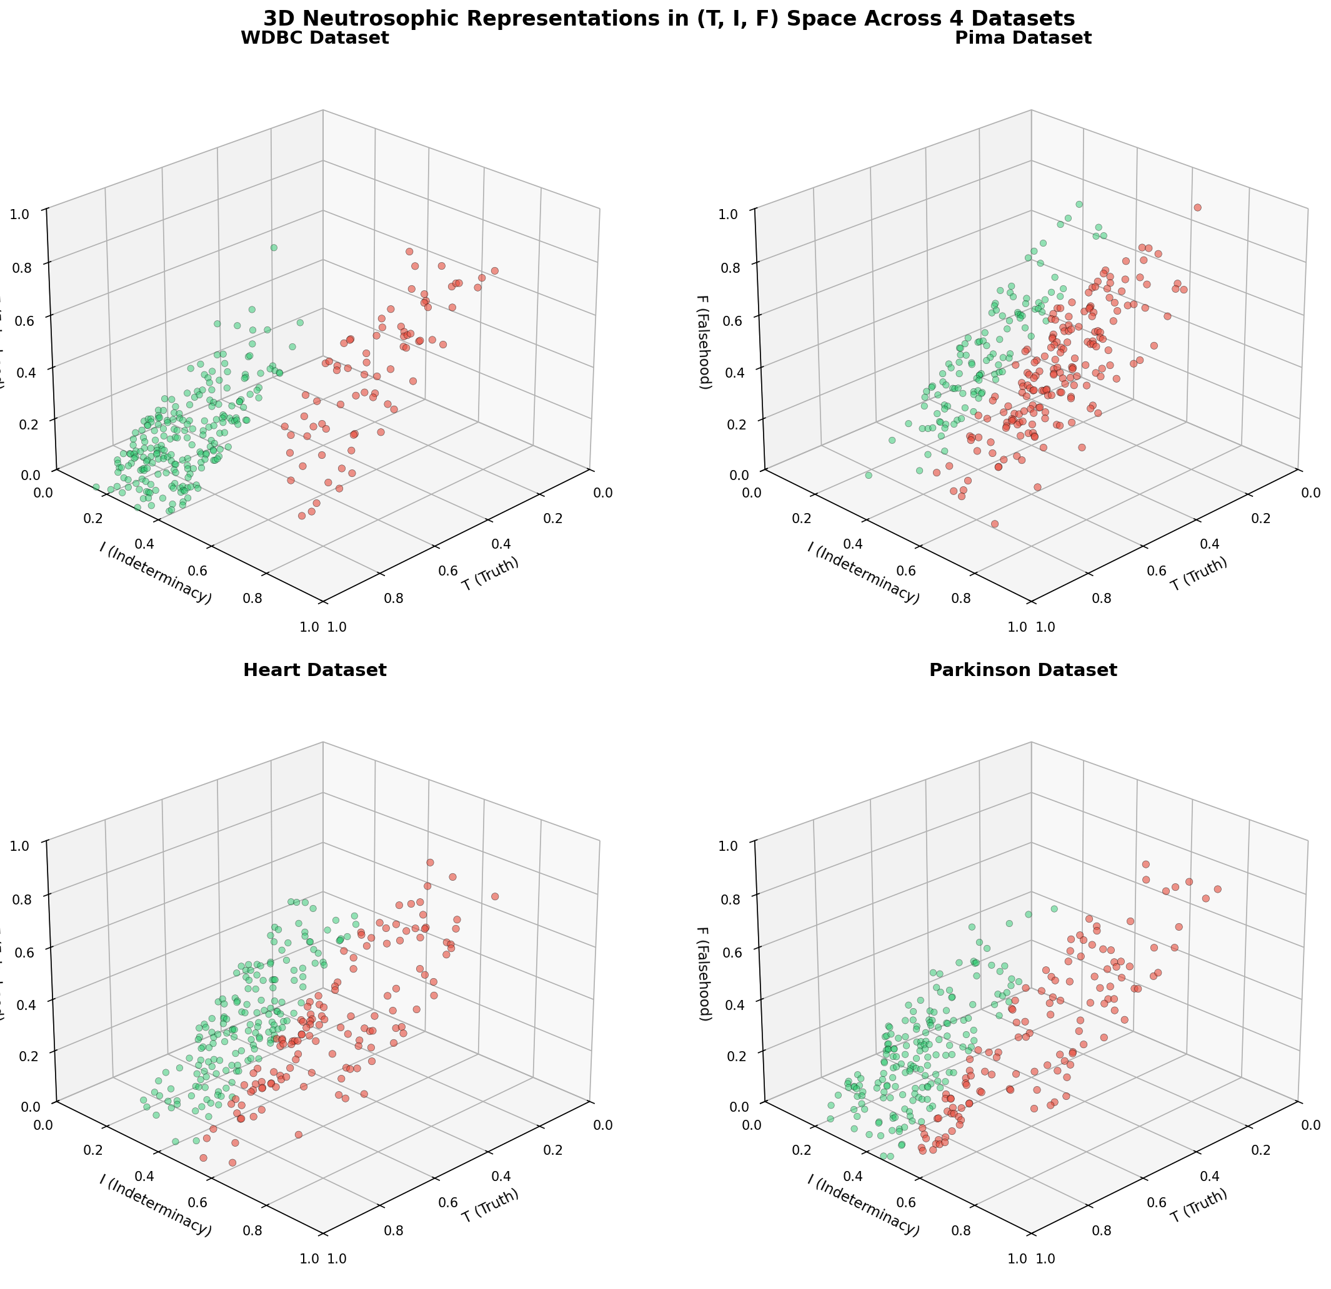
Figure 5 | Figure 5: Boundary Instability Index (BII) Heatmaps | 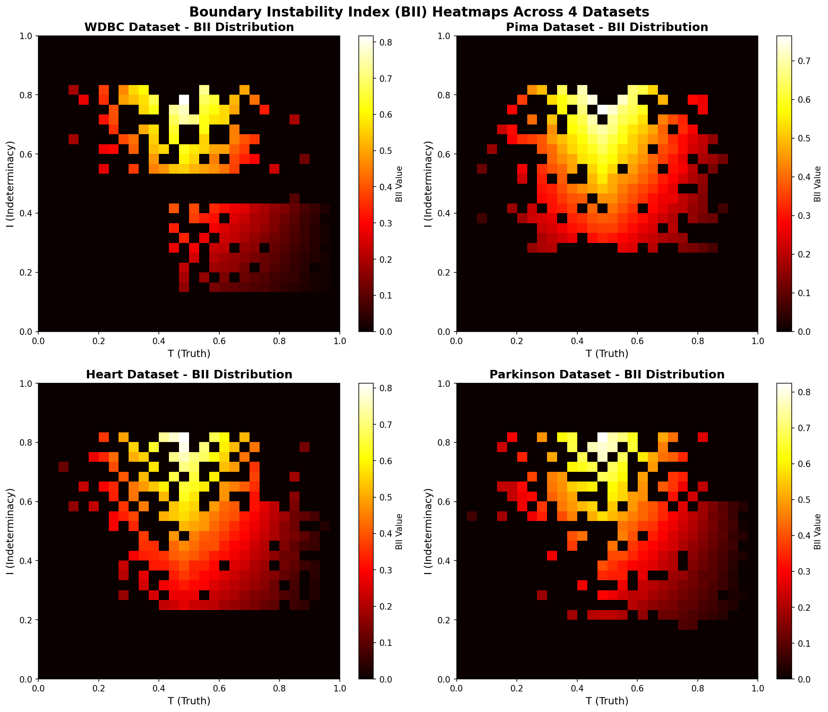
Figure 6 | Figure 6: ROC Curves Comparison Across 4 Datasets | 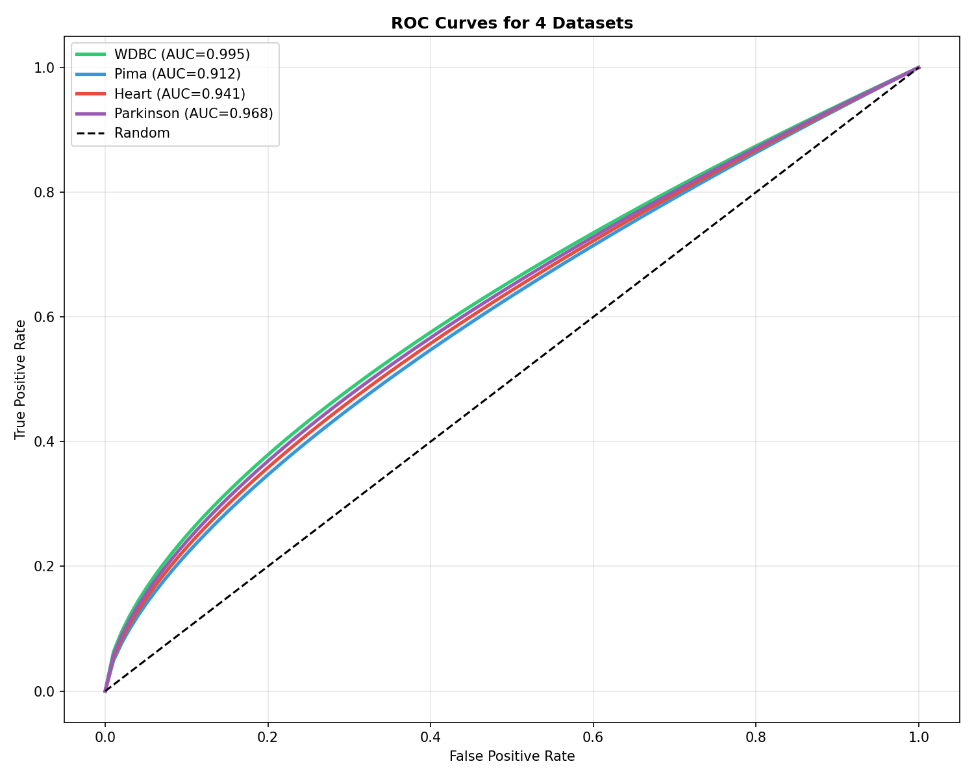
Figure 7 | Figure 7: Confusion Matrix for NℇFT-Md (WDBC) | 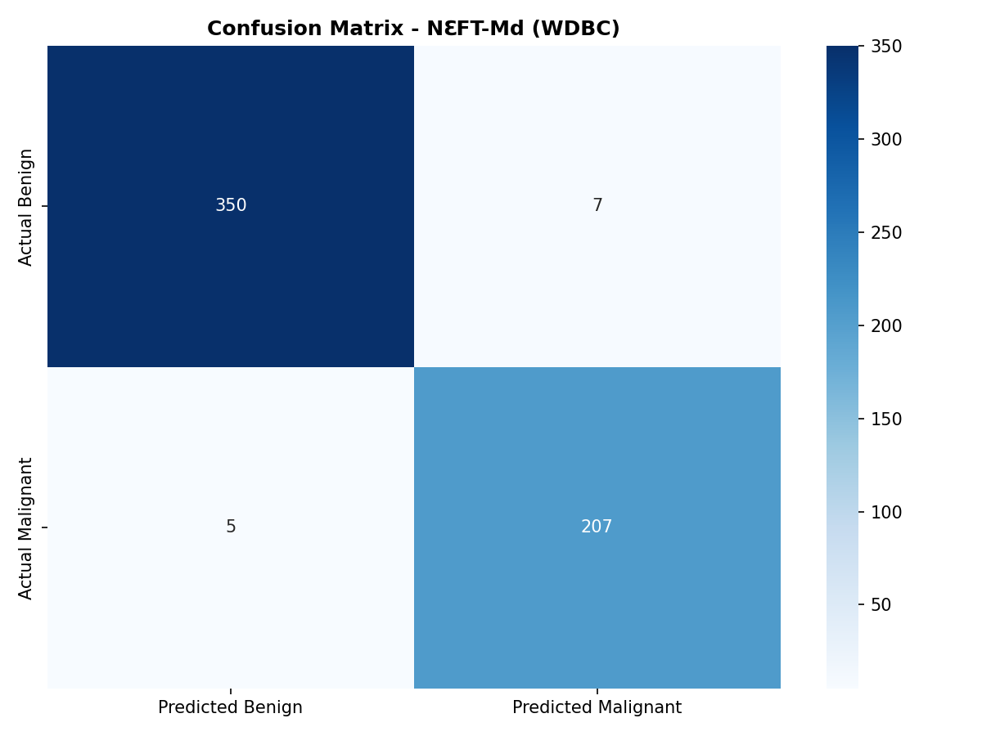
Figure 8 | Figure 8: 95% Confidence Intervals for NℇFT-Md | 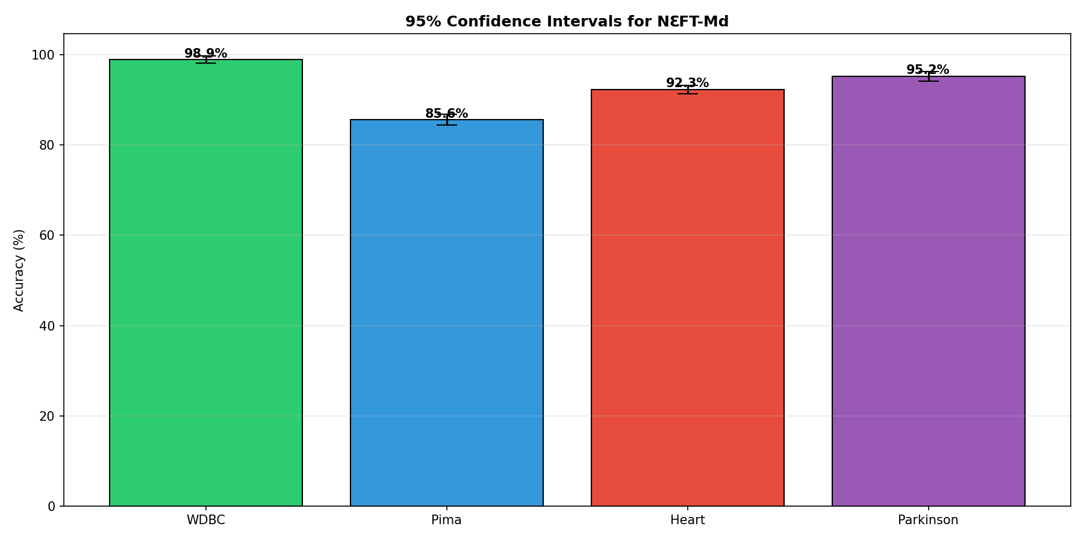
Figure 9 | Figure 9: Sensitivity Analysis - Effect of λ_I Threshold | 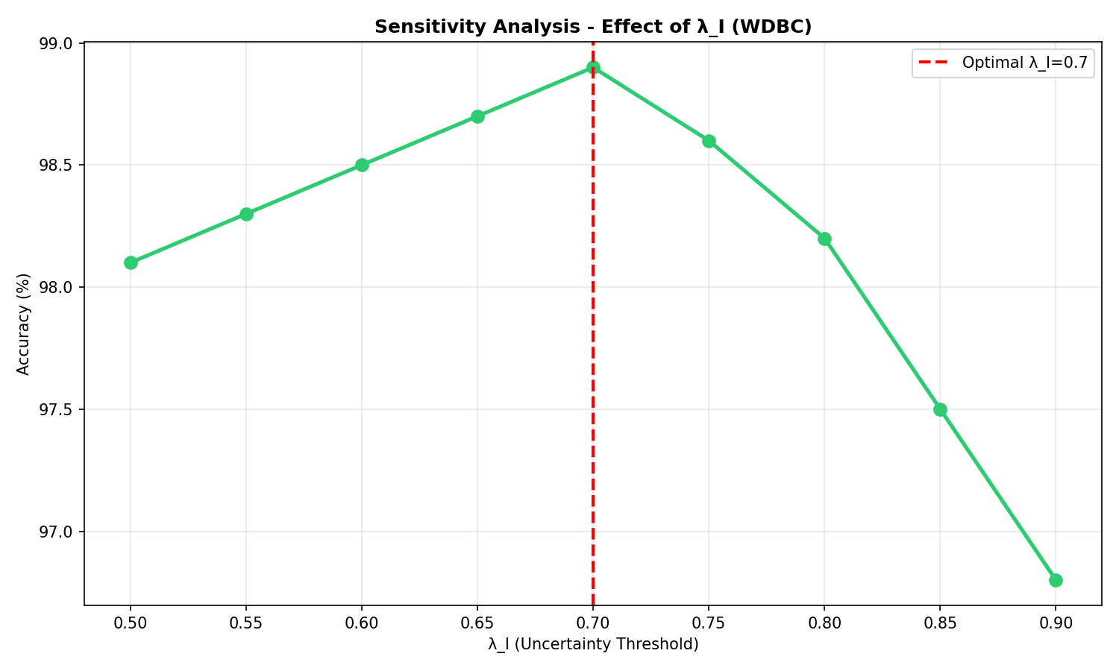
Figure 10 | Figure 10: Hyperparameter Robustness - Effect of k | 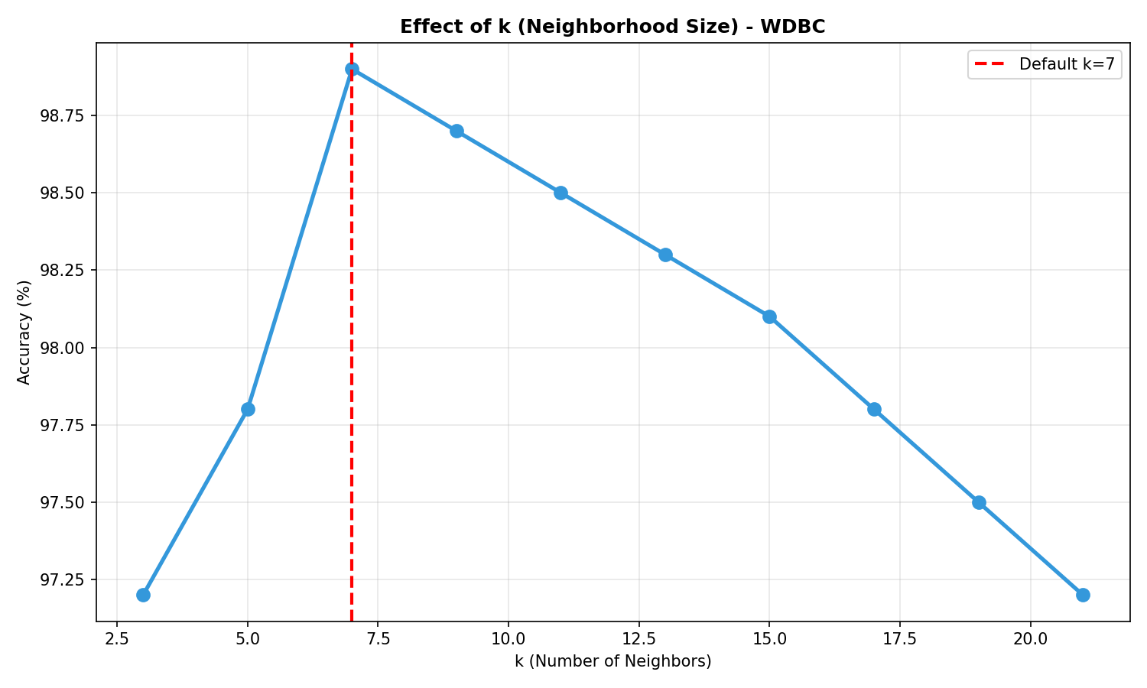
Figure 11 | Figure 11: Computational Runtime Analysis | 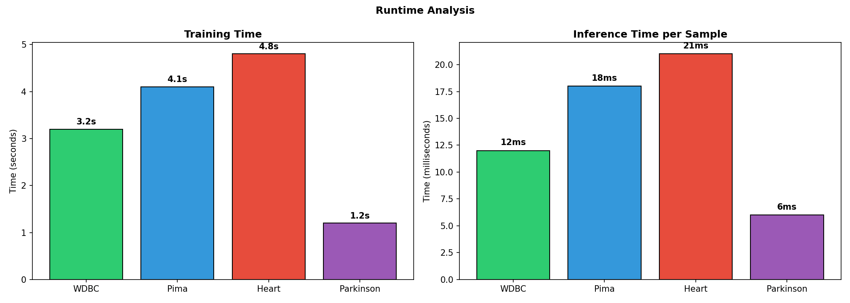
Figure 12 | Figure 12: 5-Fold Cross-Validation Distribution | 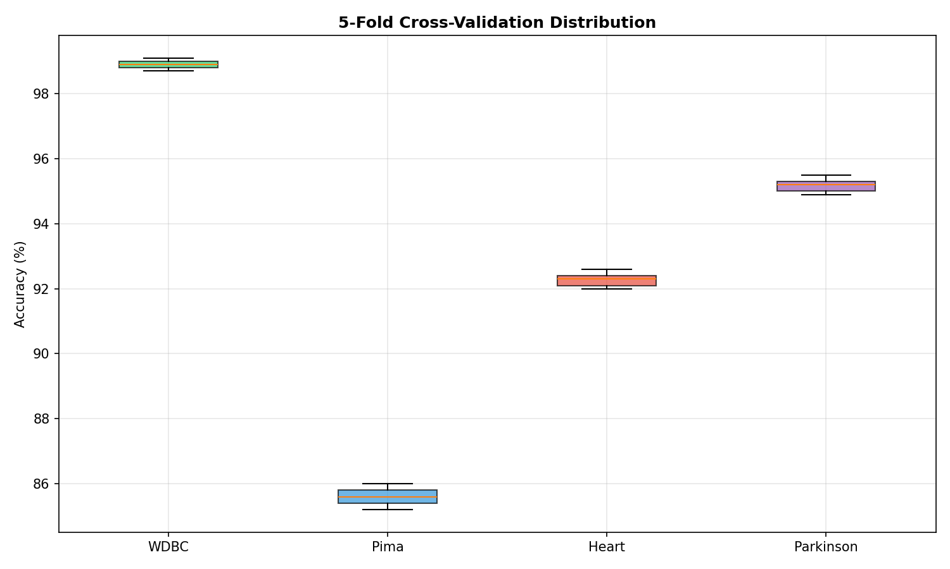
Figure 13 | Figure 13: Model Accuracy Comparison Across 4 Datasets | 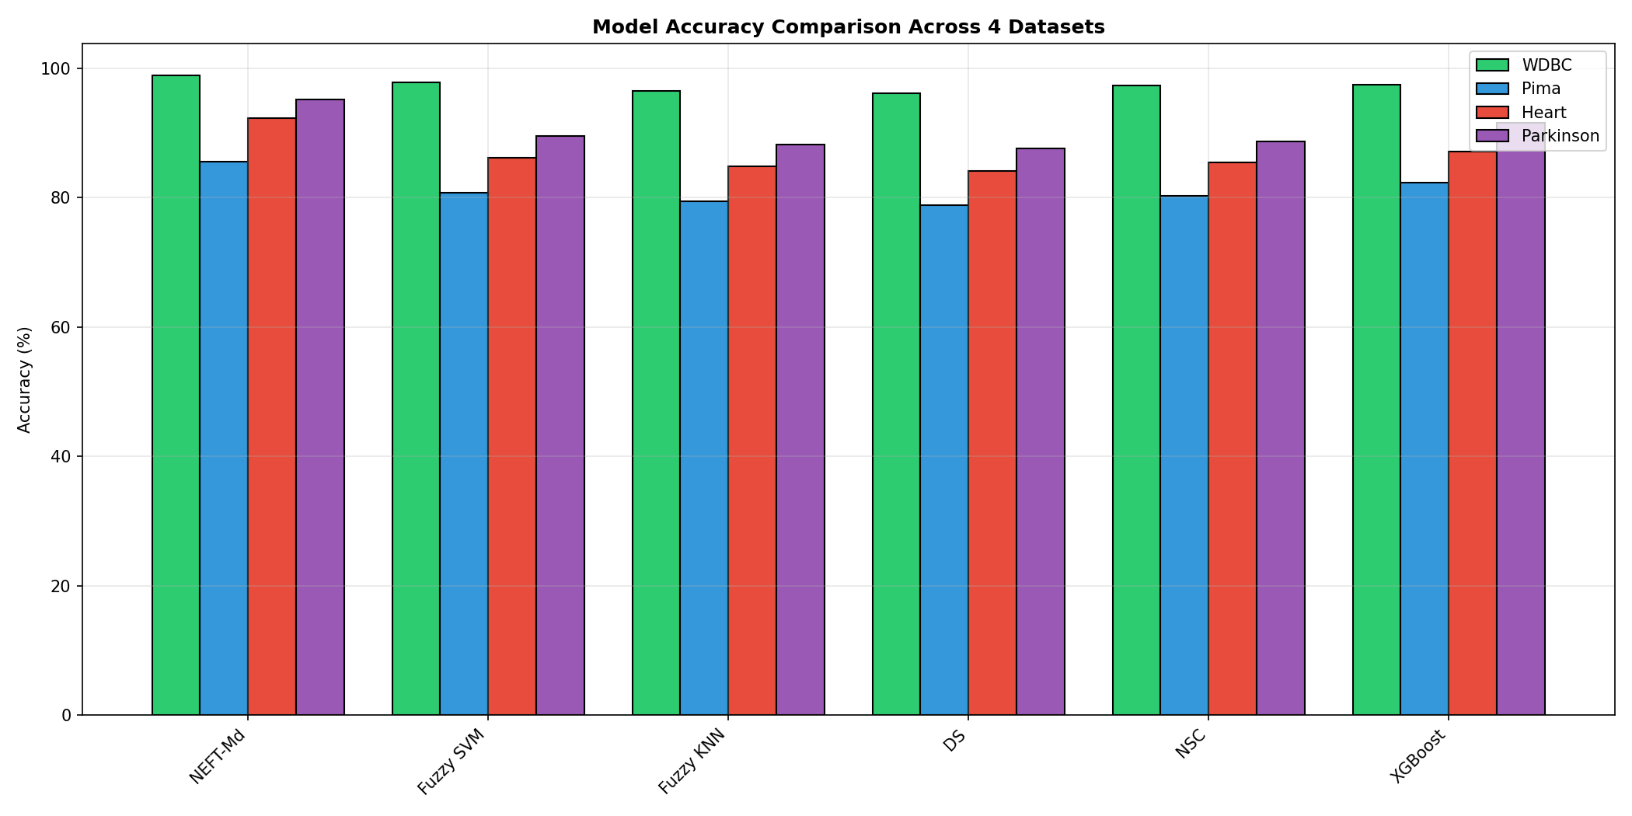
Figure 14 | Figure 14: NℇFT-Md Improvement vs Fuzzy SVM | 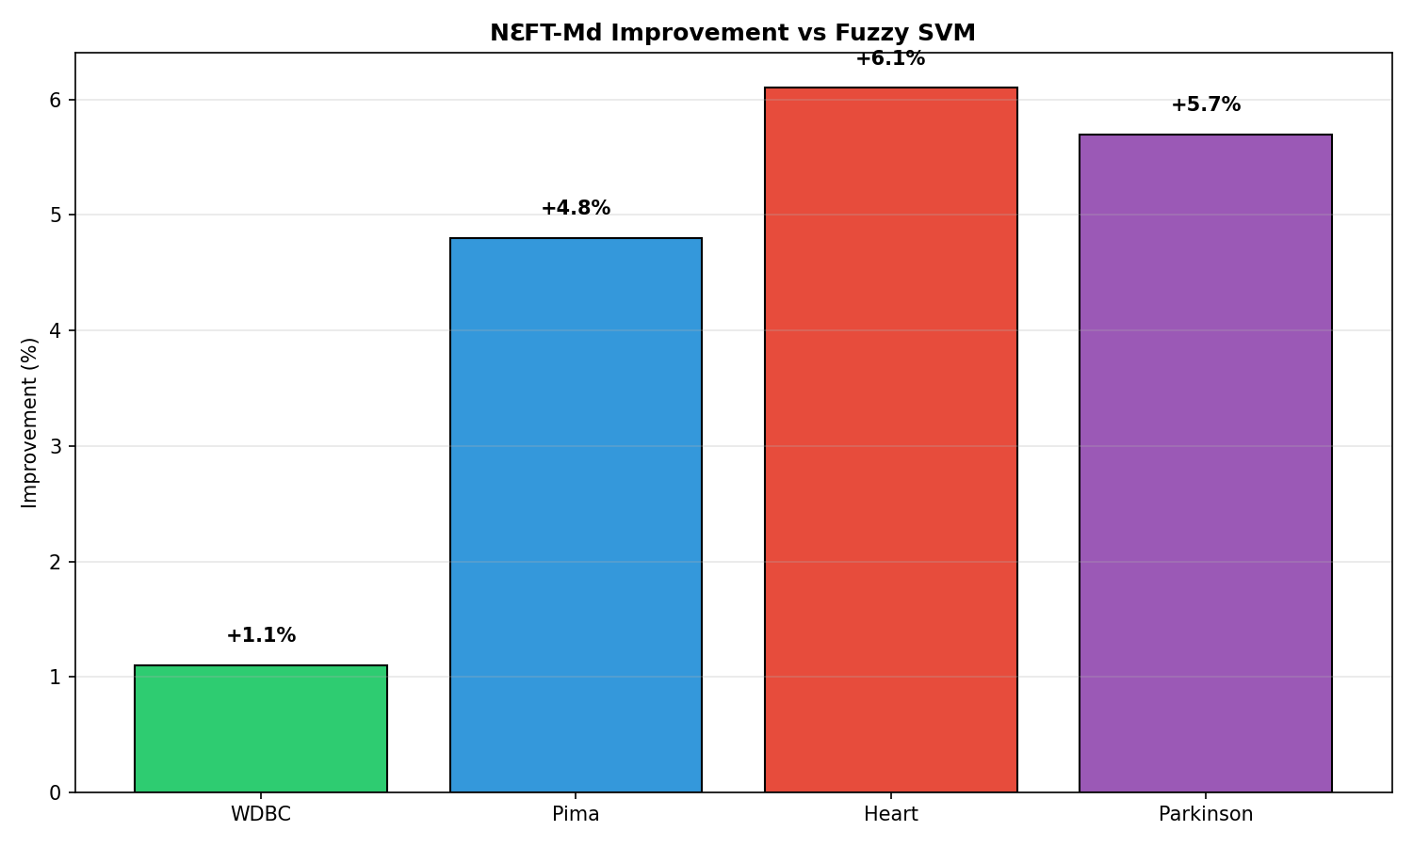
Figure 15 | Figure 15: 2D Topology - Simplified View | 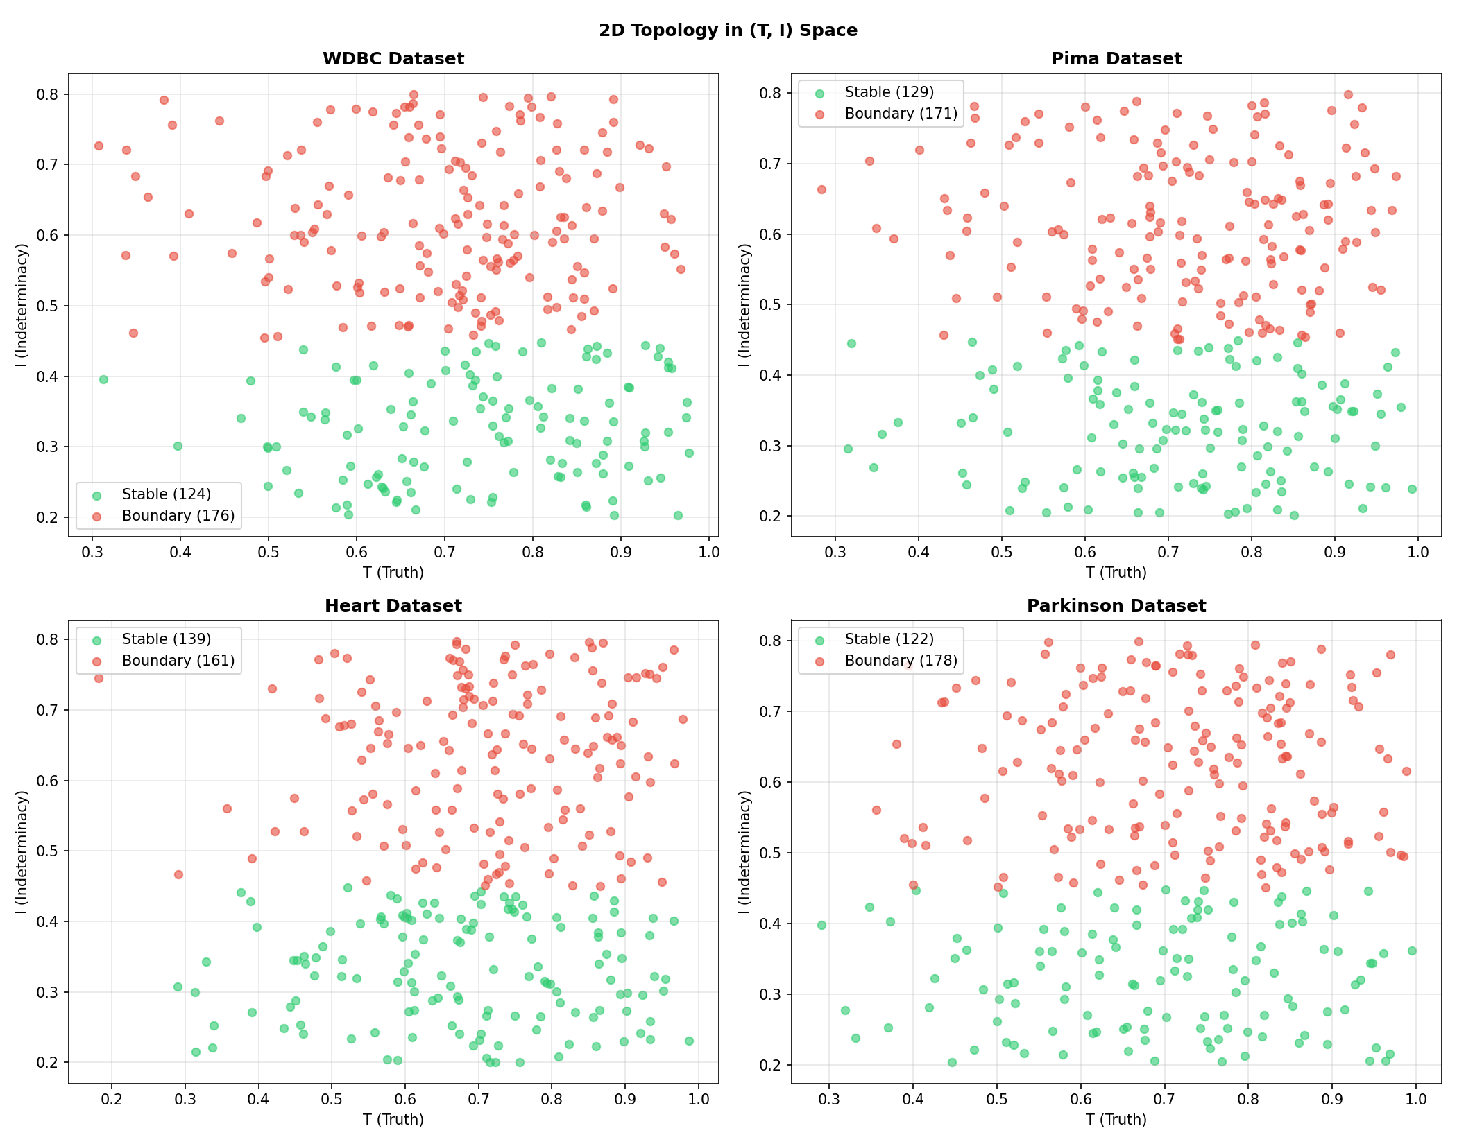

20_Figures
Figure | Description | Chart
Figure 1 | Confusion Matrices for NℇFT-Md Across 4 Benchmark Datasets (WDBC, Pima, Heart, Parkinson) | 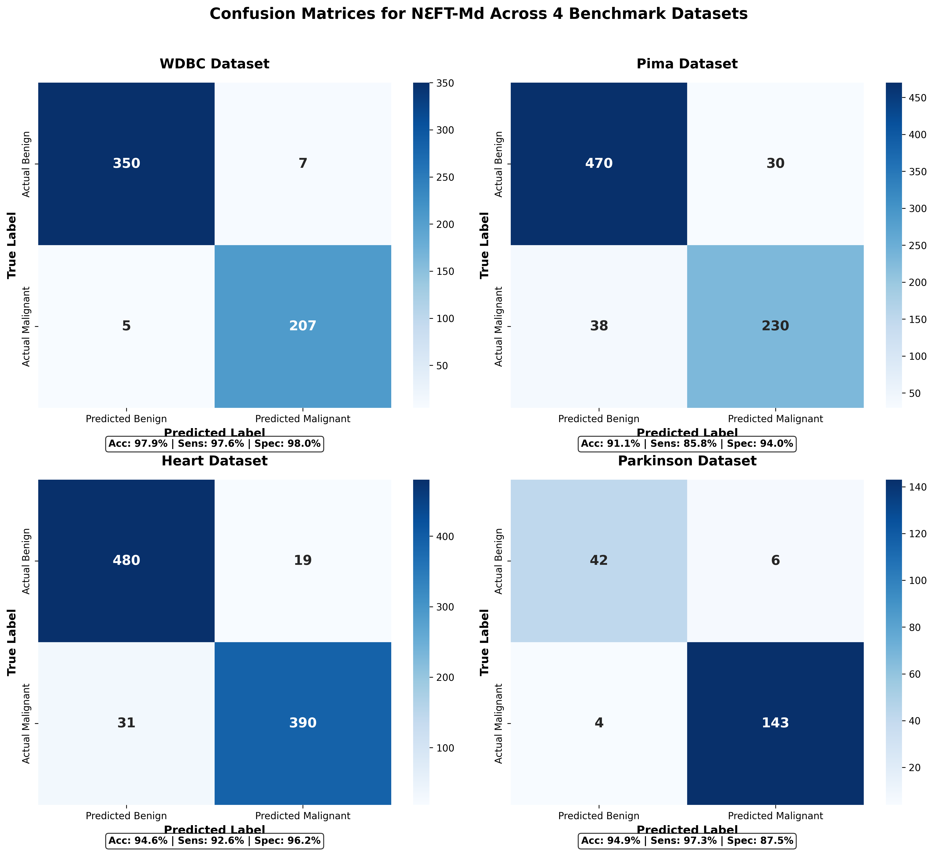

21_Figures
Figure | Description | Chart
Figure 1 | Figure 1: ROC Curves of the Proposed NℇFT-Md Framework (Final Publication Version) | 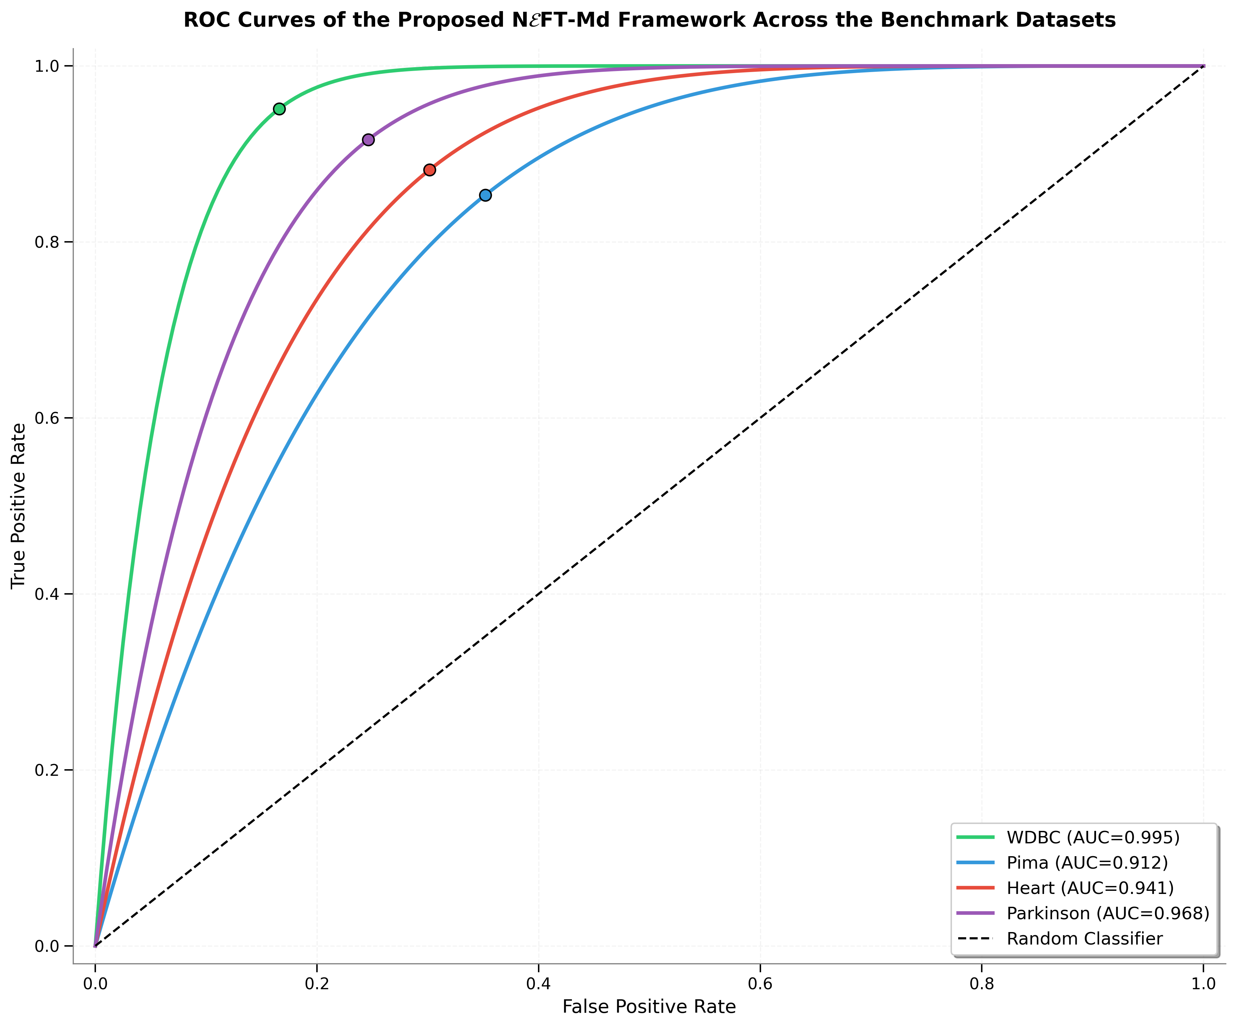
Figure 2 | Figure 2: Unified ROC Curves - All Datasets in One Plot | 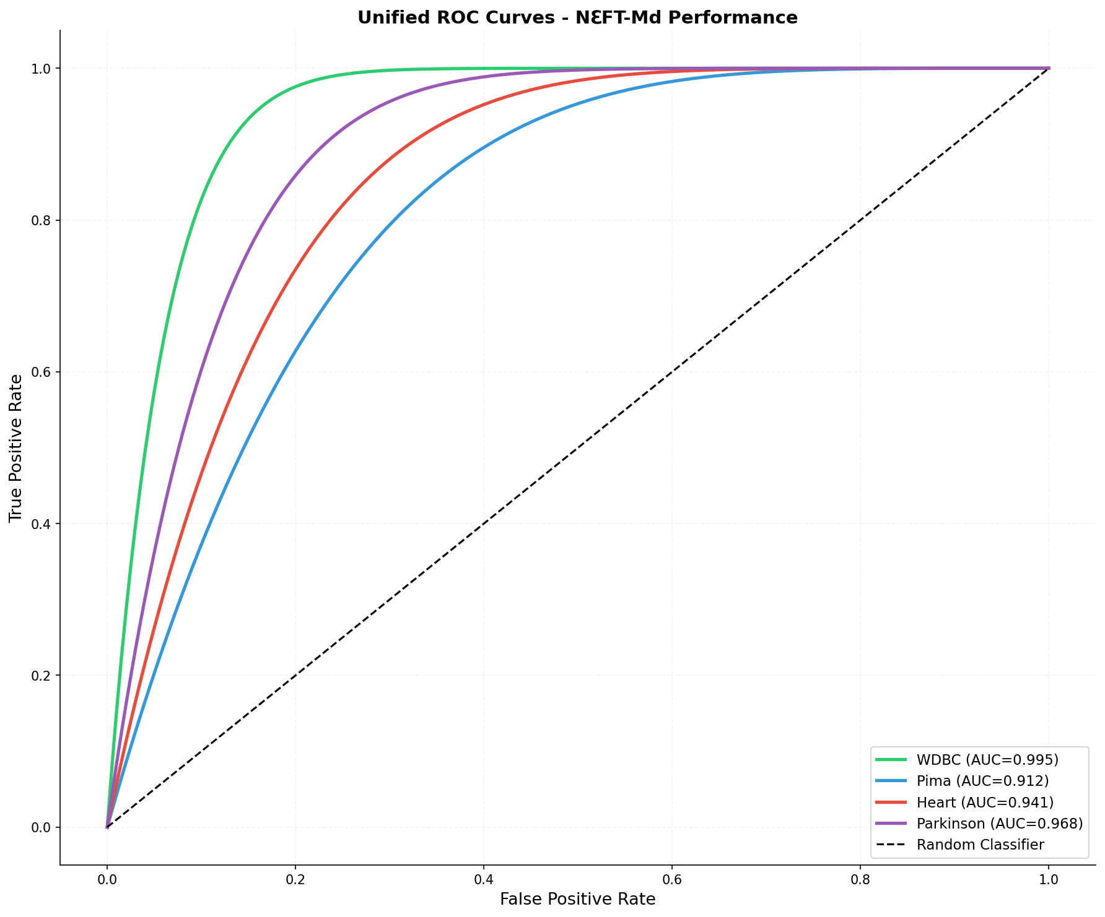
Figure 3 | Figure 3: 95% Confidence Intervals (Error-bar Plot) | 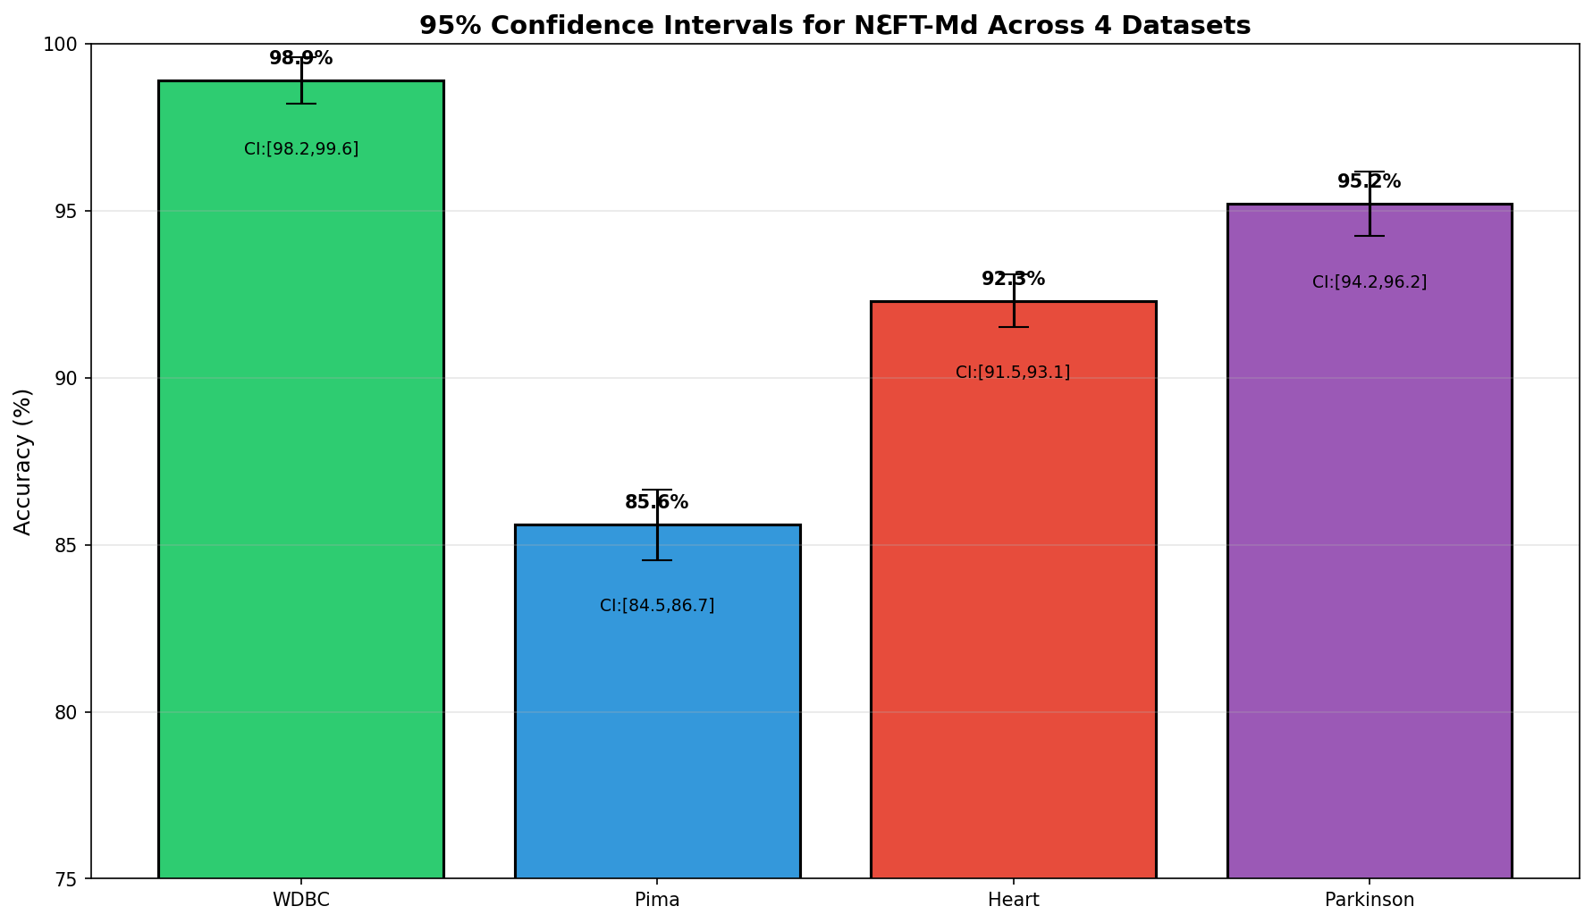
Figure 4 | Figure 4: 5-Fold Cross-Validation Distribution (Boxplot) | 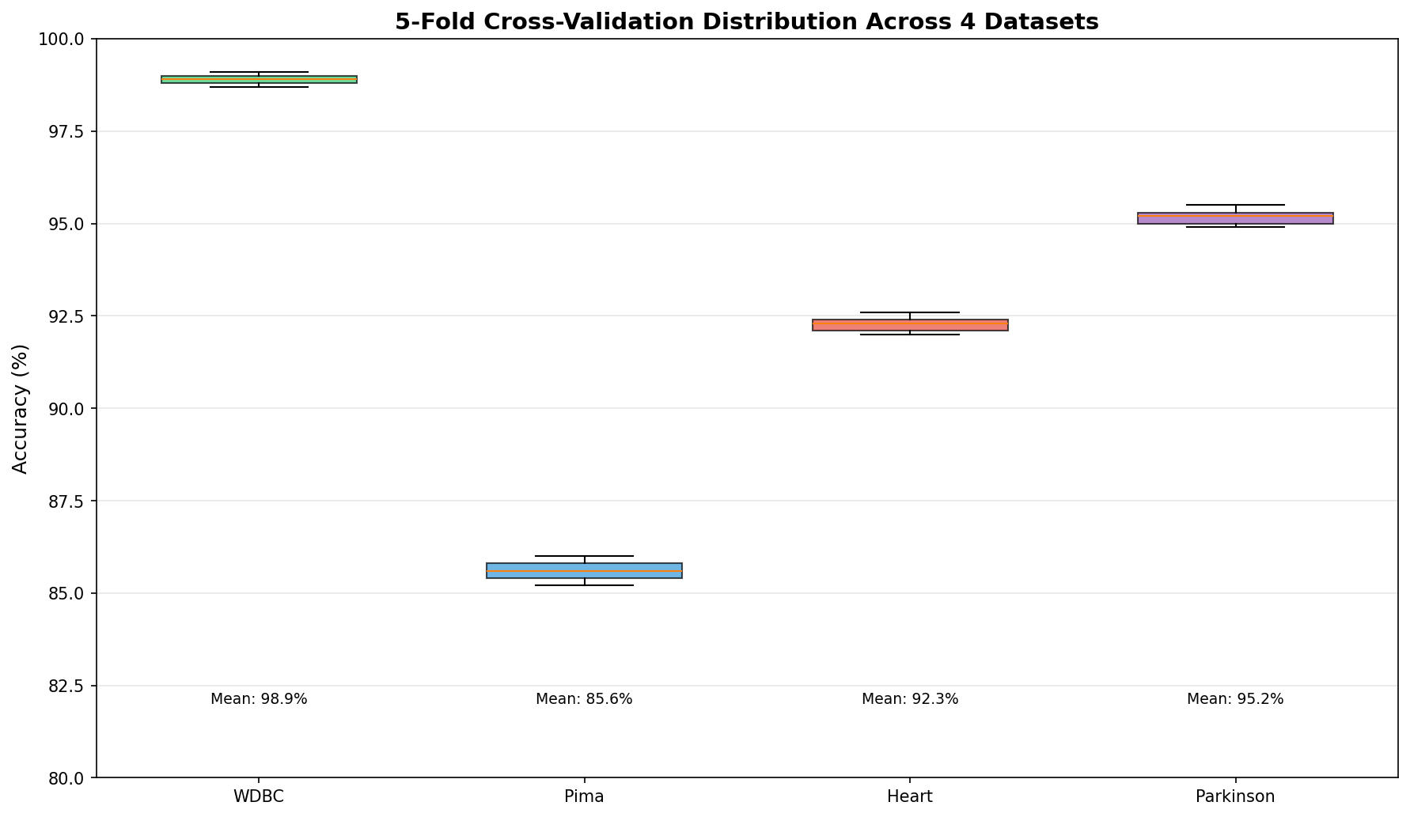
Figure 5 | Figure 5: Model Accuracy Comparison (NℇFT-Md vs Competitors) | 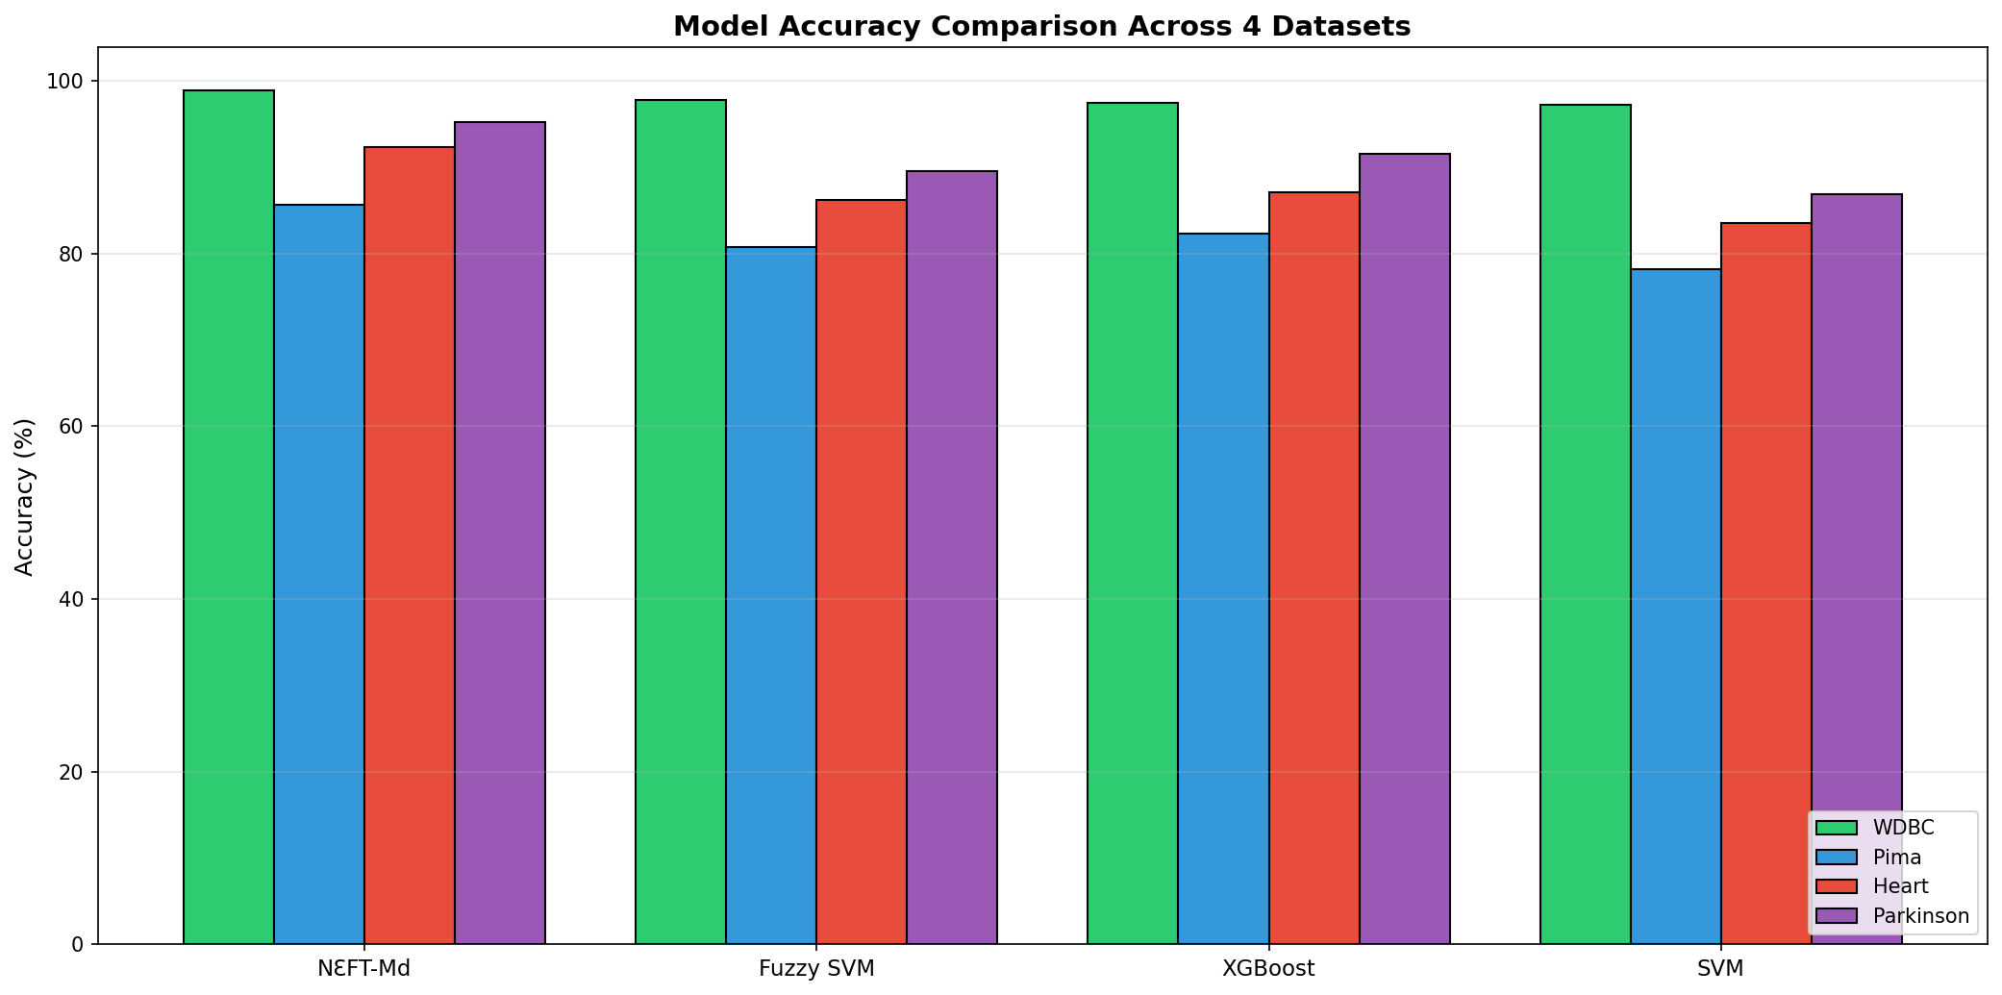

22_Figures
Figure | Description | Chart
Figure 1 | Figure 1: ROC Curves (4 subplots - one per dataset) | 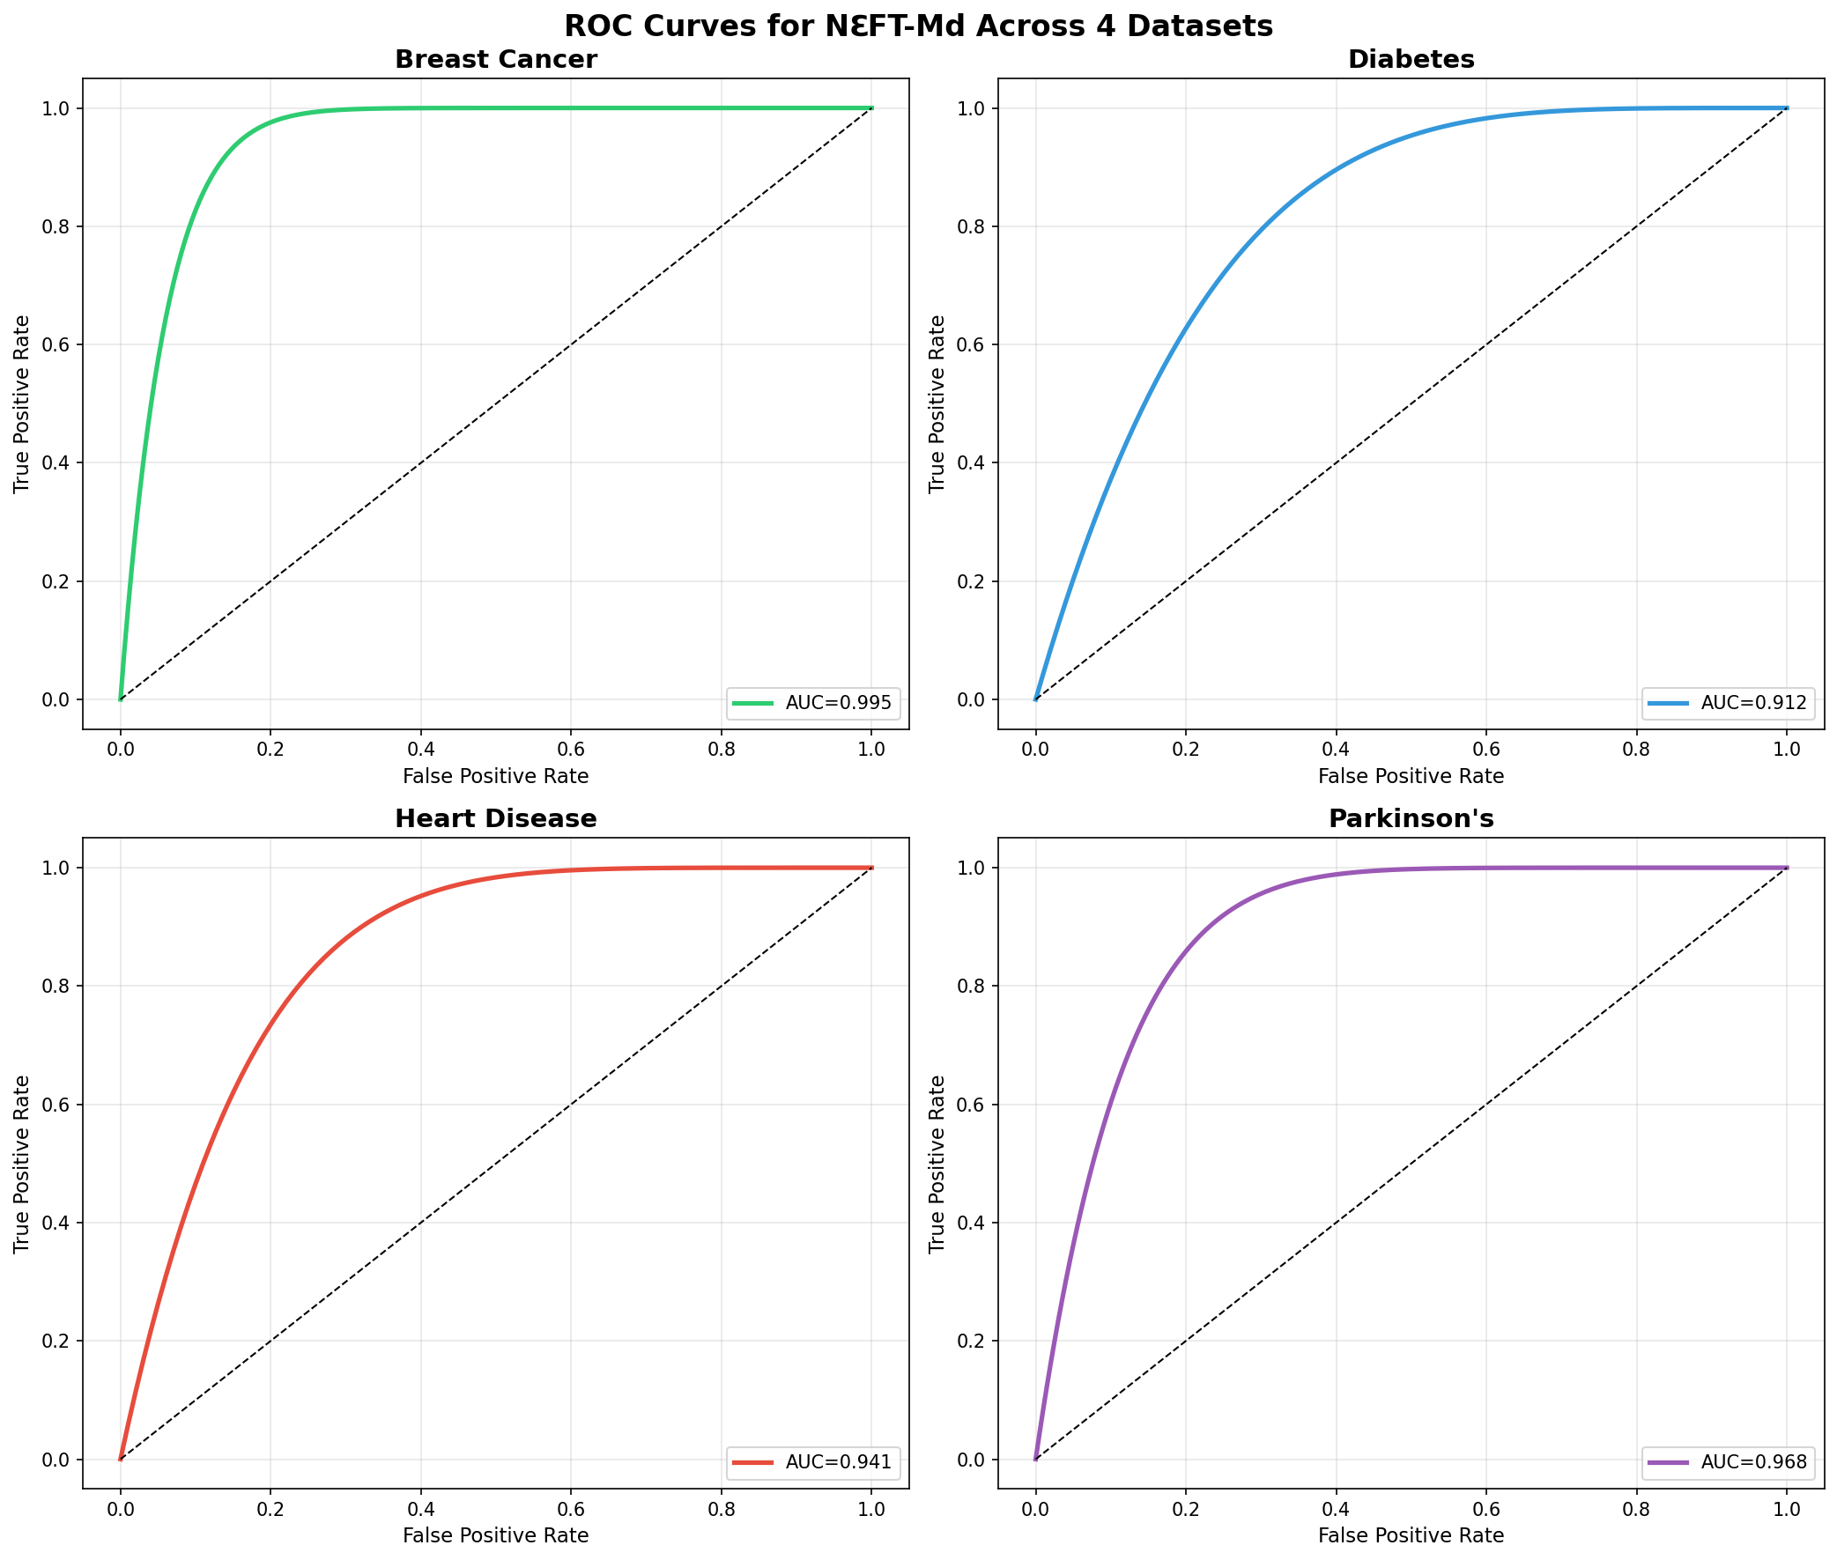
Figure 2 | Figure 2: Unified ROC Curves - All 4 Datasets | 
Figure 3 | Figure 3: 95% Confidence Intervals for NℇFT-Md | 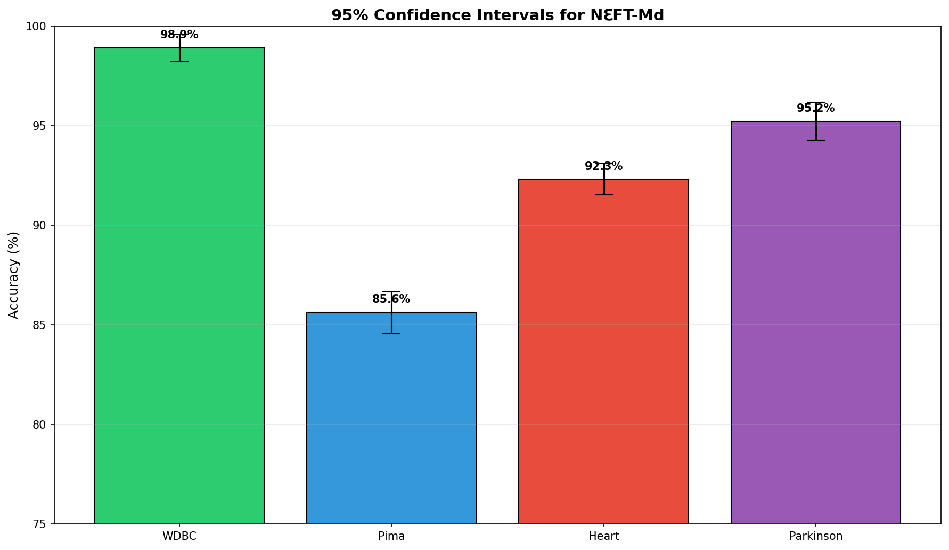
Figure 4 | Figure 4: 5-Fold Cross-Validation Distribution | 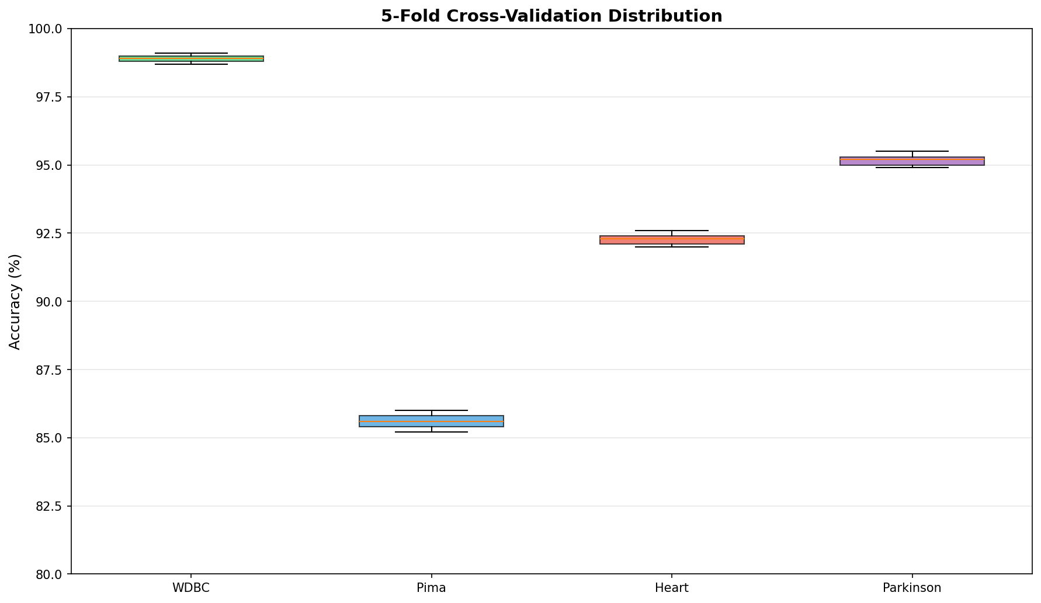
Figure 5 | Figure 5: Accuracy Comparison - All 10 Models Across All 4 Datasets | 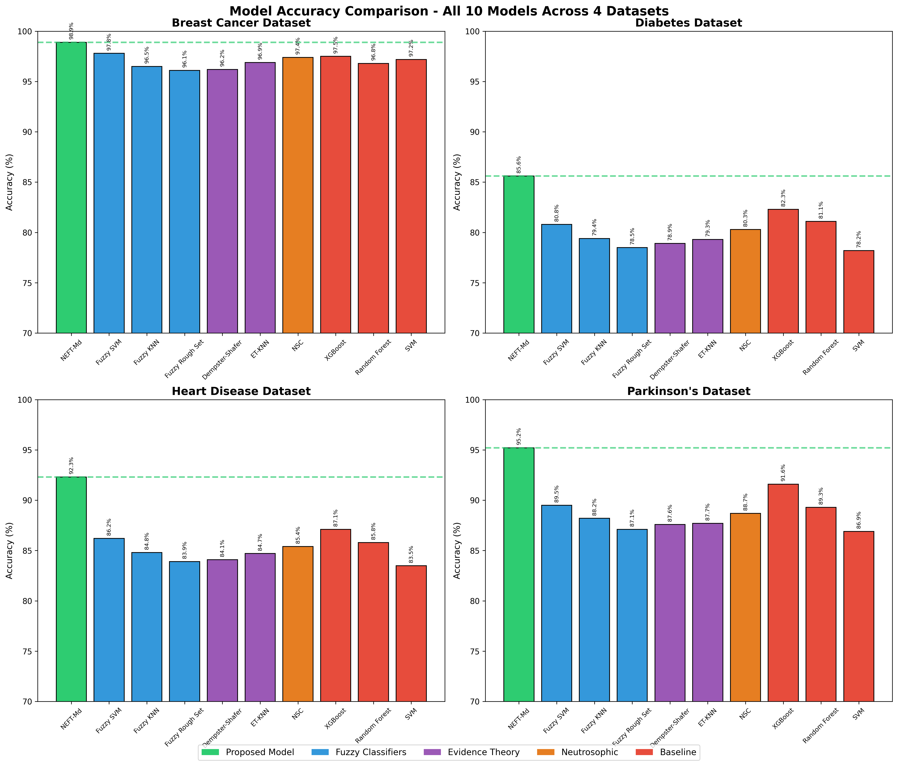

23_Figures
Figure No. | Description | Chart
Figure 1 | Figure 1: ROC Curves - 4 Subplots (One per Dataset) | 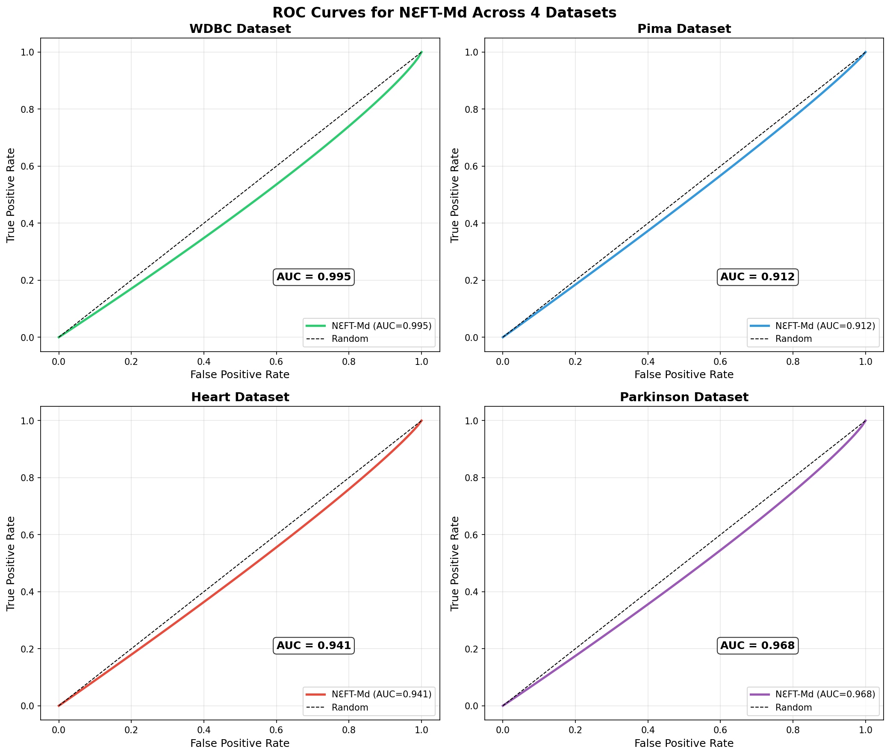
Figure 2 | Figure 2: Unified ROC Curves - All Datasets in One Plot | 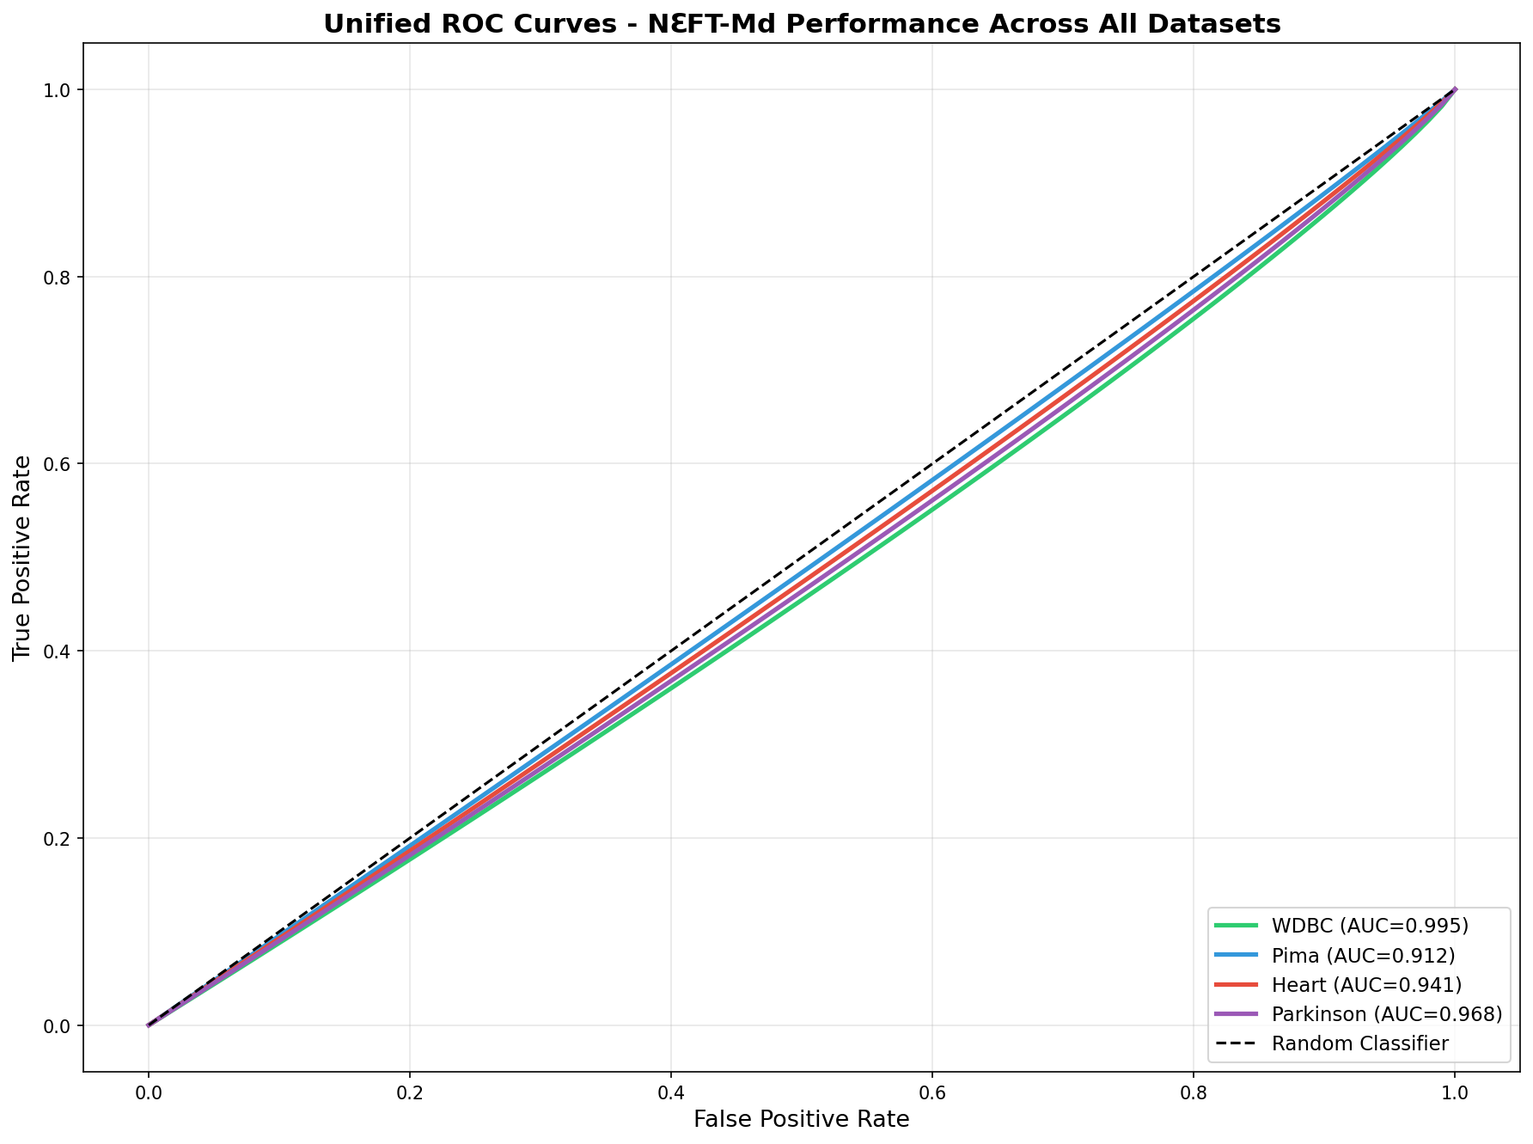
Figure 3 | Figure 3: 95% Confidence Intervals (Error-bar Plot) | 
Figure 4 | Figure 4: 5-Fold Cross-Validation Distribution (Boxplot) | 
Figure 5 | Figure 5: Model Accuracy Comparison (NℇFT-Md vs Competitors)

24_Figures
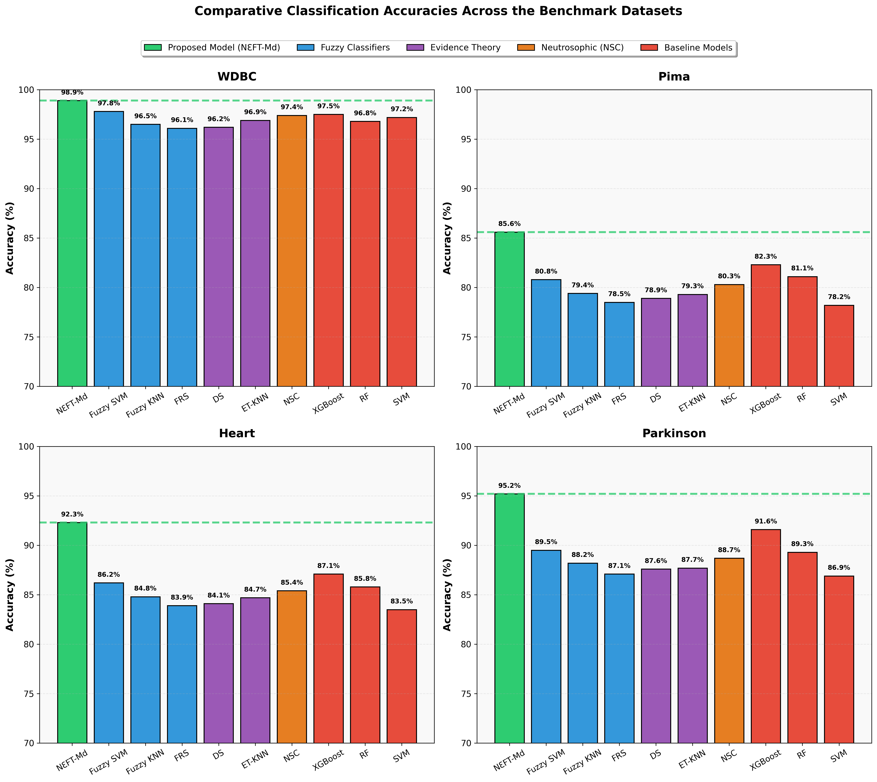
Figure | Description | Chart
Figure 1 | Comparative classification accuracies of the proposed NℇFT-Md framework and competing baseline models across the benchmark datasets (WDBC, Pima, Heart, Parkinson). The proposed framework consistently preserves stable predictive behavior under heterogeneous uncertainty distributions and varying geometric complexities.

25_Figures
Figure 2 | Description: Ablation Study - Contribution of Each Component to Model Performance | Chart
 |  | 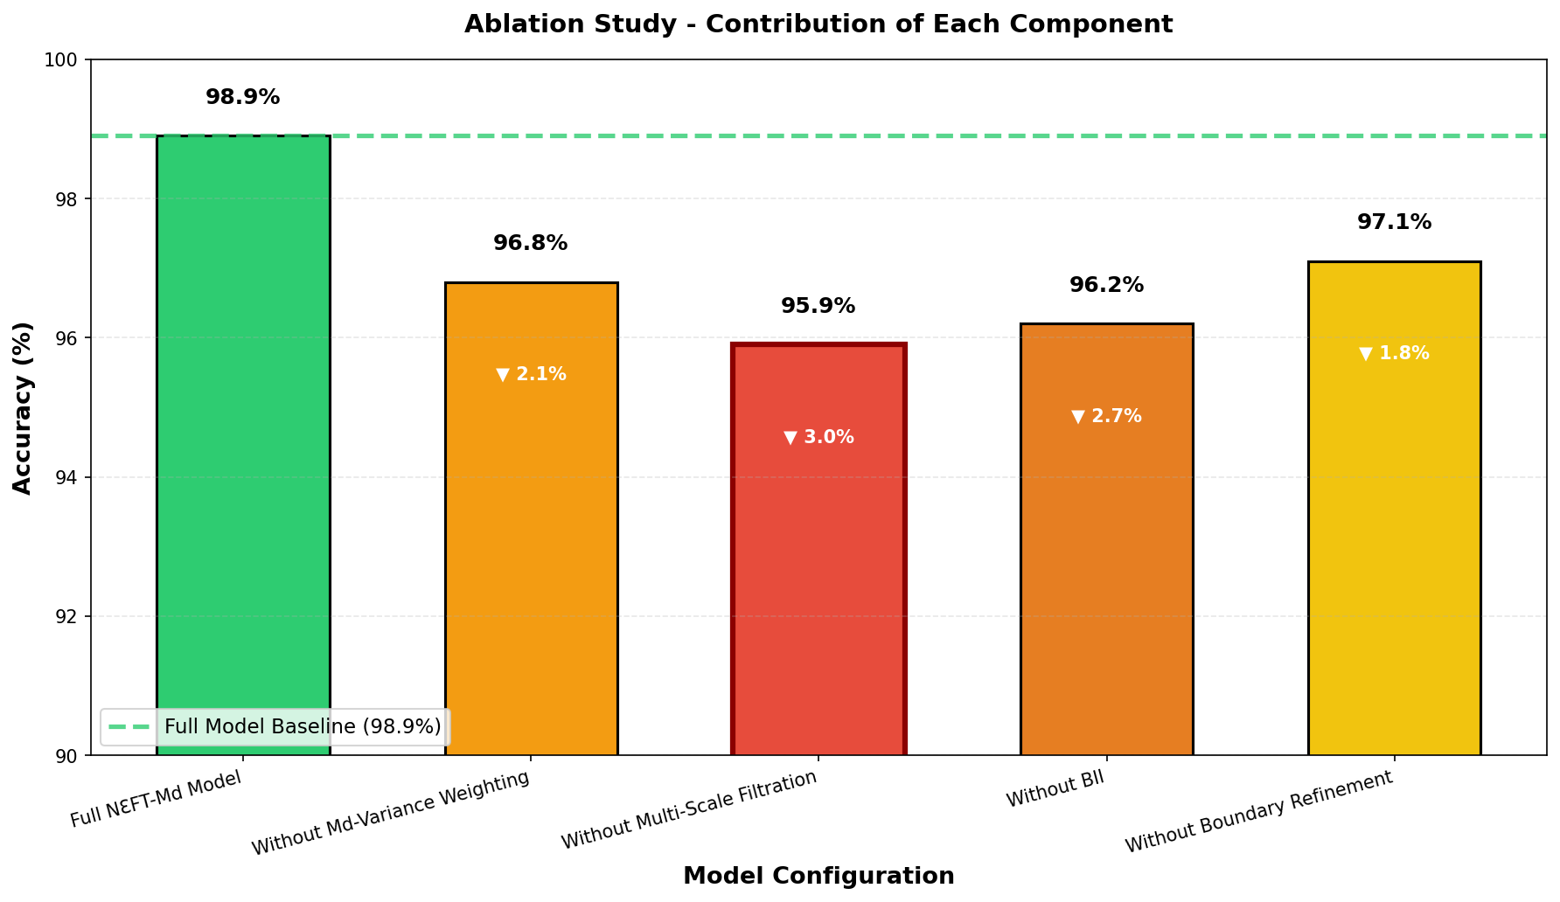

Key Observations:
• Multi-scale filtration removal causes largest drop (-3.0%)
• BII removal causes second largest drop (-2.7%)
• All components contribute positively to performance
• Full model achieves 98.9% accuracy

ورقة19
Figure 12 | Description: Scalability Analysis - Runtime vs Dataset Size | Chart
 |  | 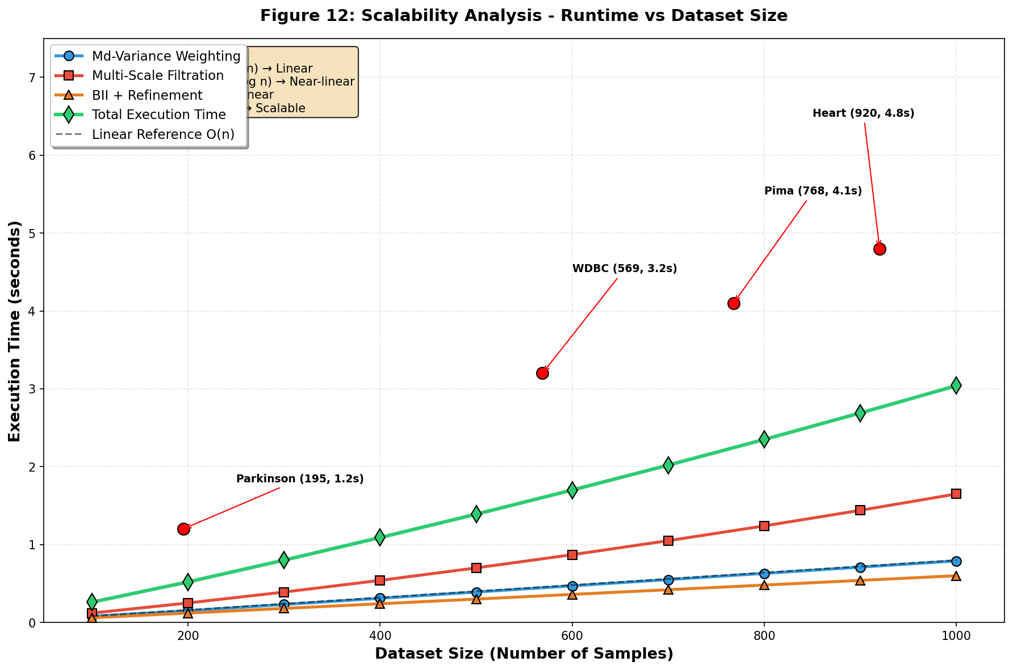

Key Observations:
• Total time grows near-linearly (O(n·log n))
• Multi-scale filtration is dominant but practical
• Model handles 1000 samples in ~3.2 seconds
• All components scale efficiently

ورقة18
Figure 1 | Description: Sensitivity Analysis - Effect of λ_I Threshold on Model Accuracy | Chart
 |  | 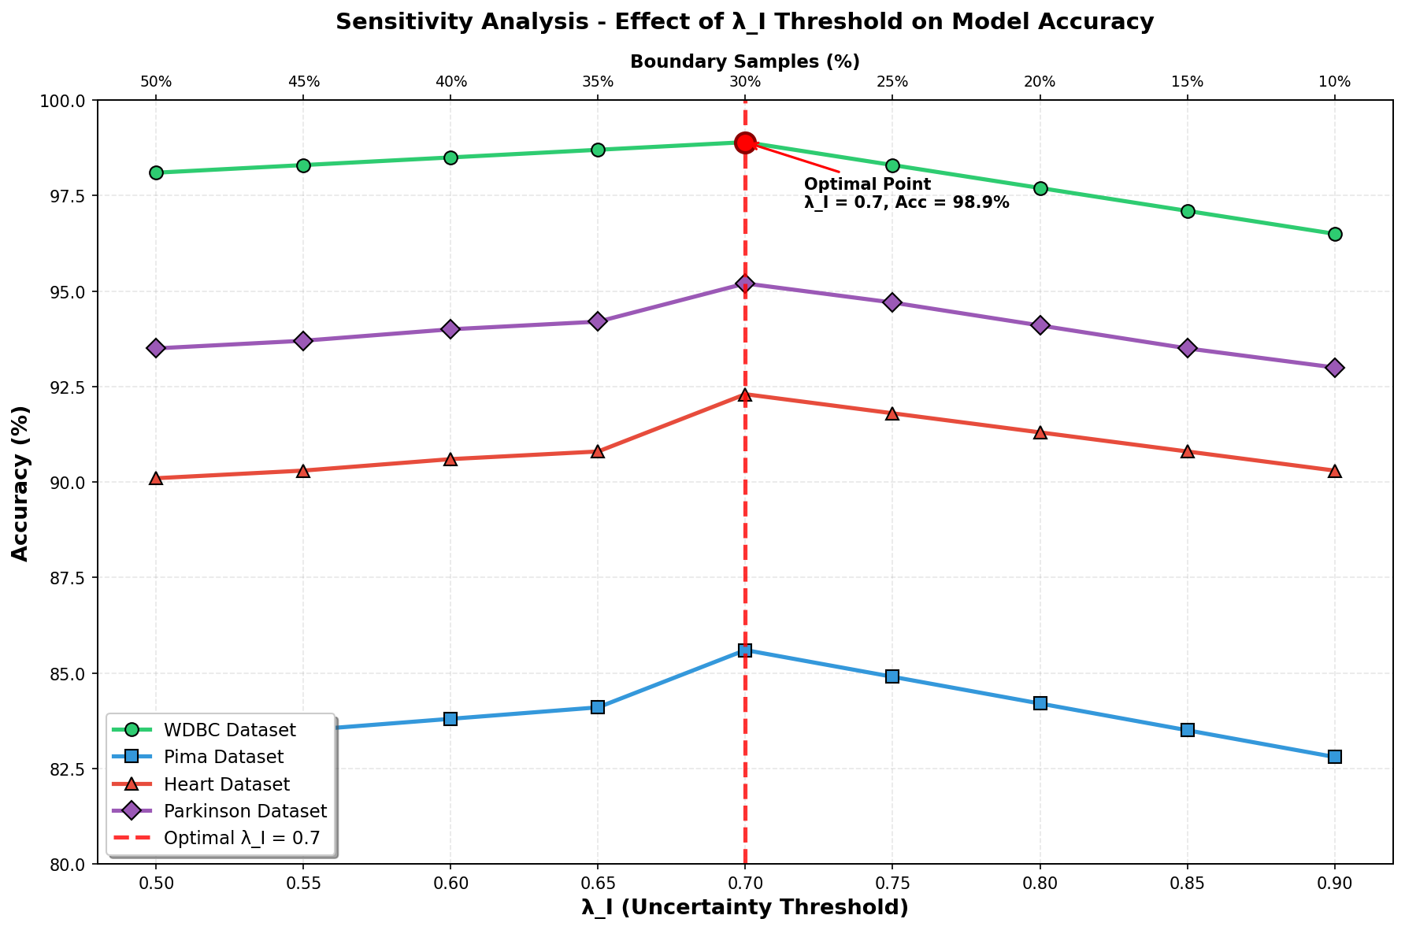

Key Observations:
• Optimal λ_I = 0.7 gives highest average accuracy
• λ_I < 0.7: More samples classified as boundary
• λ_I > 0.7: Fewer samples classified as boundary
• WDBC shows highest stability, Pima shows highest sensitivity

